electronic
Electronic | Compare the bandstructure
 | 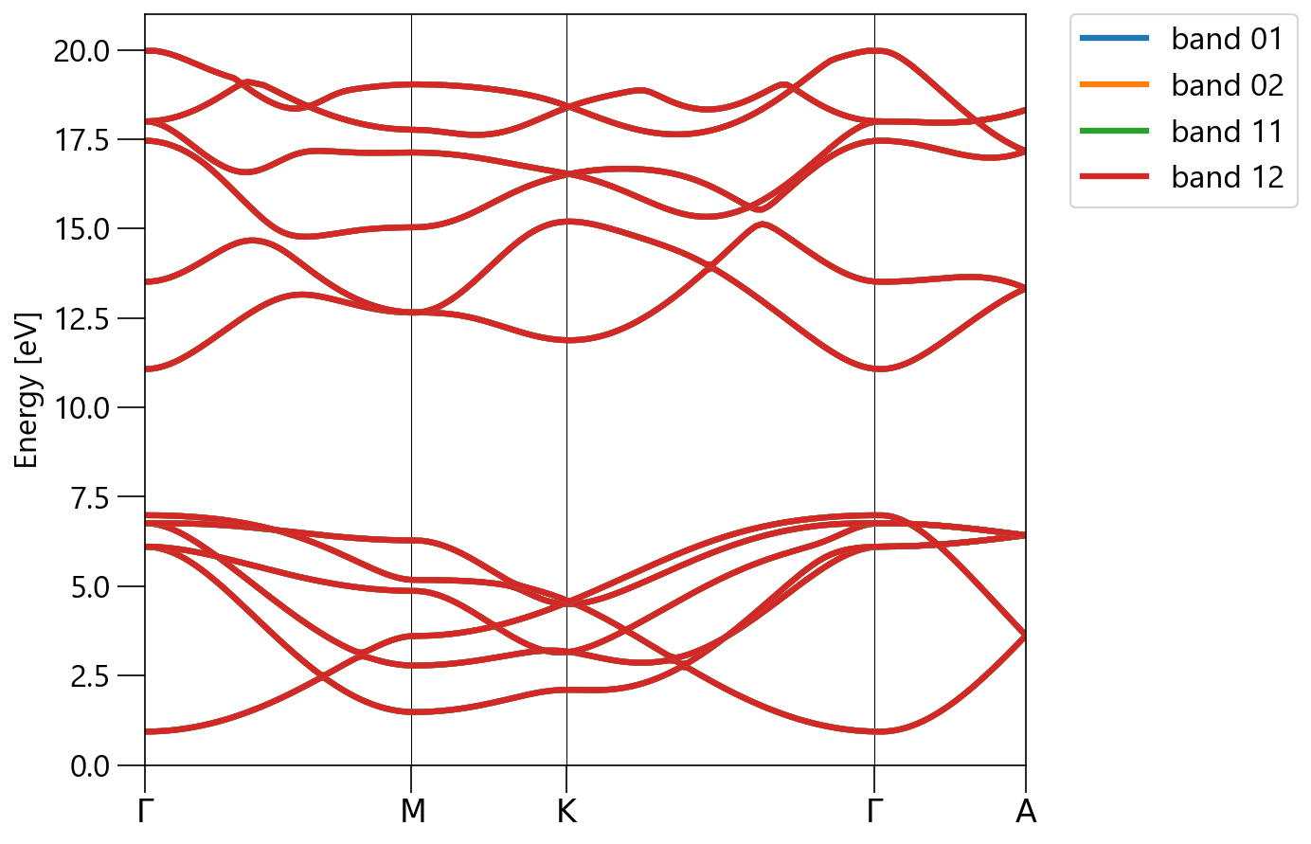
 |  | Calculation Condition
 |  |  | band 01 | band 02 | band 11 | band 12
 |  | ecutwfc | 90 Ry | 120 Ry | 90 Ry | 120 Ry
 |  | ecutrho | 720 Ry | 1920 Ry | 720 Ry | 1920 Ry
 |  | kpoints | (10, 10, 6) | (16, 16, 10) | (10, 10, 6) | (16, 16, 10)
 |  | conv_thr | 1e-11 Ry | 1e-11 Ry | 1e-11 Ry | 1e-11 Ry
 |  | including Γ | yes | yes | No | No

 |  | Energies at Γ point
 |  | Energy [eV] | band 01 | band 02 | band 11 | band 12 | diff.
 |  | E1 | 0.9323 | 0.9322 | 0.9323 | 0.9322 | 0.0001
 |  | E2 | 6.105 | 6.105 | 6.105 | 6.105 | 0
 |  | E3 | 6.105 | 6.105 | 6.105 | 6.105 | 0
 |  | E4 | 6.7616 | 6.7616 | 6.7616 | 6.7616 | 0
 |  | E5 | 6.7616 | 6.7616 | 6.7616 | 6.7616 | 0
 |  | E6 | 6.9836 | 6.9835 | 6.9835 | 6.9835 | 0.0001
 |  | E7 | 11.0704 | 11.0704 | 11.0704 | 11.0704 | 0
 |  | E8 | 13.5112 | 13.5112 | 13.5112 | 13.5112 | 0
 |  | E9 | 17.4575 | 17.4575 | 17.4575 | 17.4575 | 0
 |  | E10 | 17.9983 | 17.9983 | 17.9983 | 17.9983 | 0
 |  | E11 | 17.9983 | 17.9983 | 17.9983 | 17.9983 | 0
 |  | E12 | 19.9675 | 19.9675 | 19.9675 | 19.9675 | 0

Dielectric_Born
Born Effective Charge |  |  | tr2
Dielectric Tensor |  |  | Change tr2(qe DFPT threshold) | Calculation Condition
 |  |  | 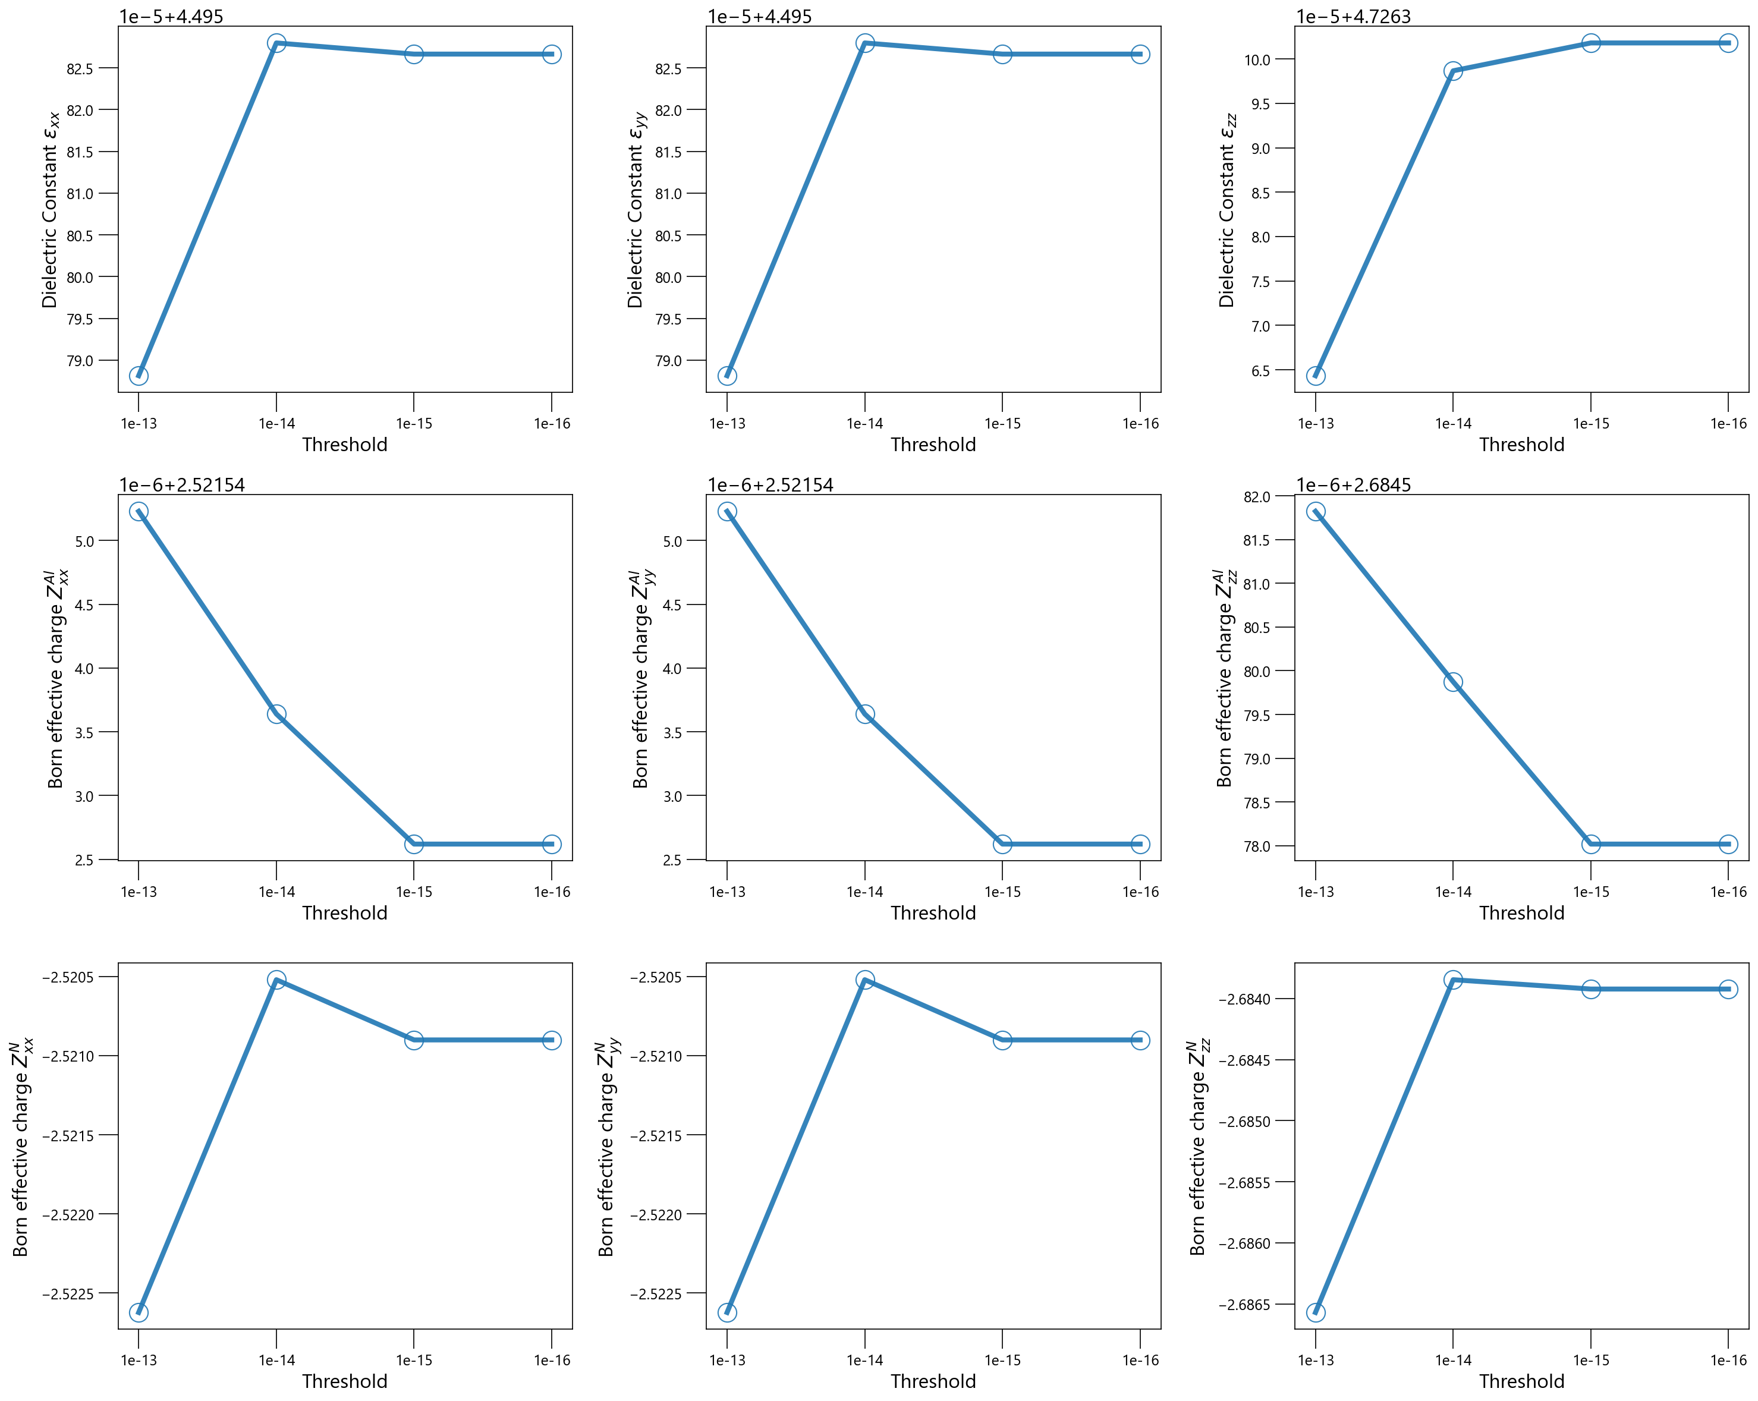 | ecutwfc | 90 Ry
Convergence Value |  |  |  | ecutrho | 720 Ry
Dielectric Constant |  |  |  | kpoints | (12, 12, 8)
4.496 | 0 | 0 |  | conv_thr | 1e-11 Ry
0 | 4.496 | 0 |  | including Γ | yes
0 | 0 | 4.726

Born effective Charge ZAl
2.5215 | 0 | 0
0 | 2.5215 | 0
0 | 0 | 2.6846

Born effective Charge ZN
-2.521 | 0 | 0
0 | -2.521 | 0
0 | 0 | -2.684

 |  |  | ecutwfc
 |  |  | Change ecutwfc(qe energy cutoff for wavefunction) | Calculation Condition
 |  |  | 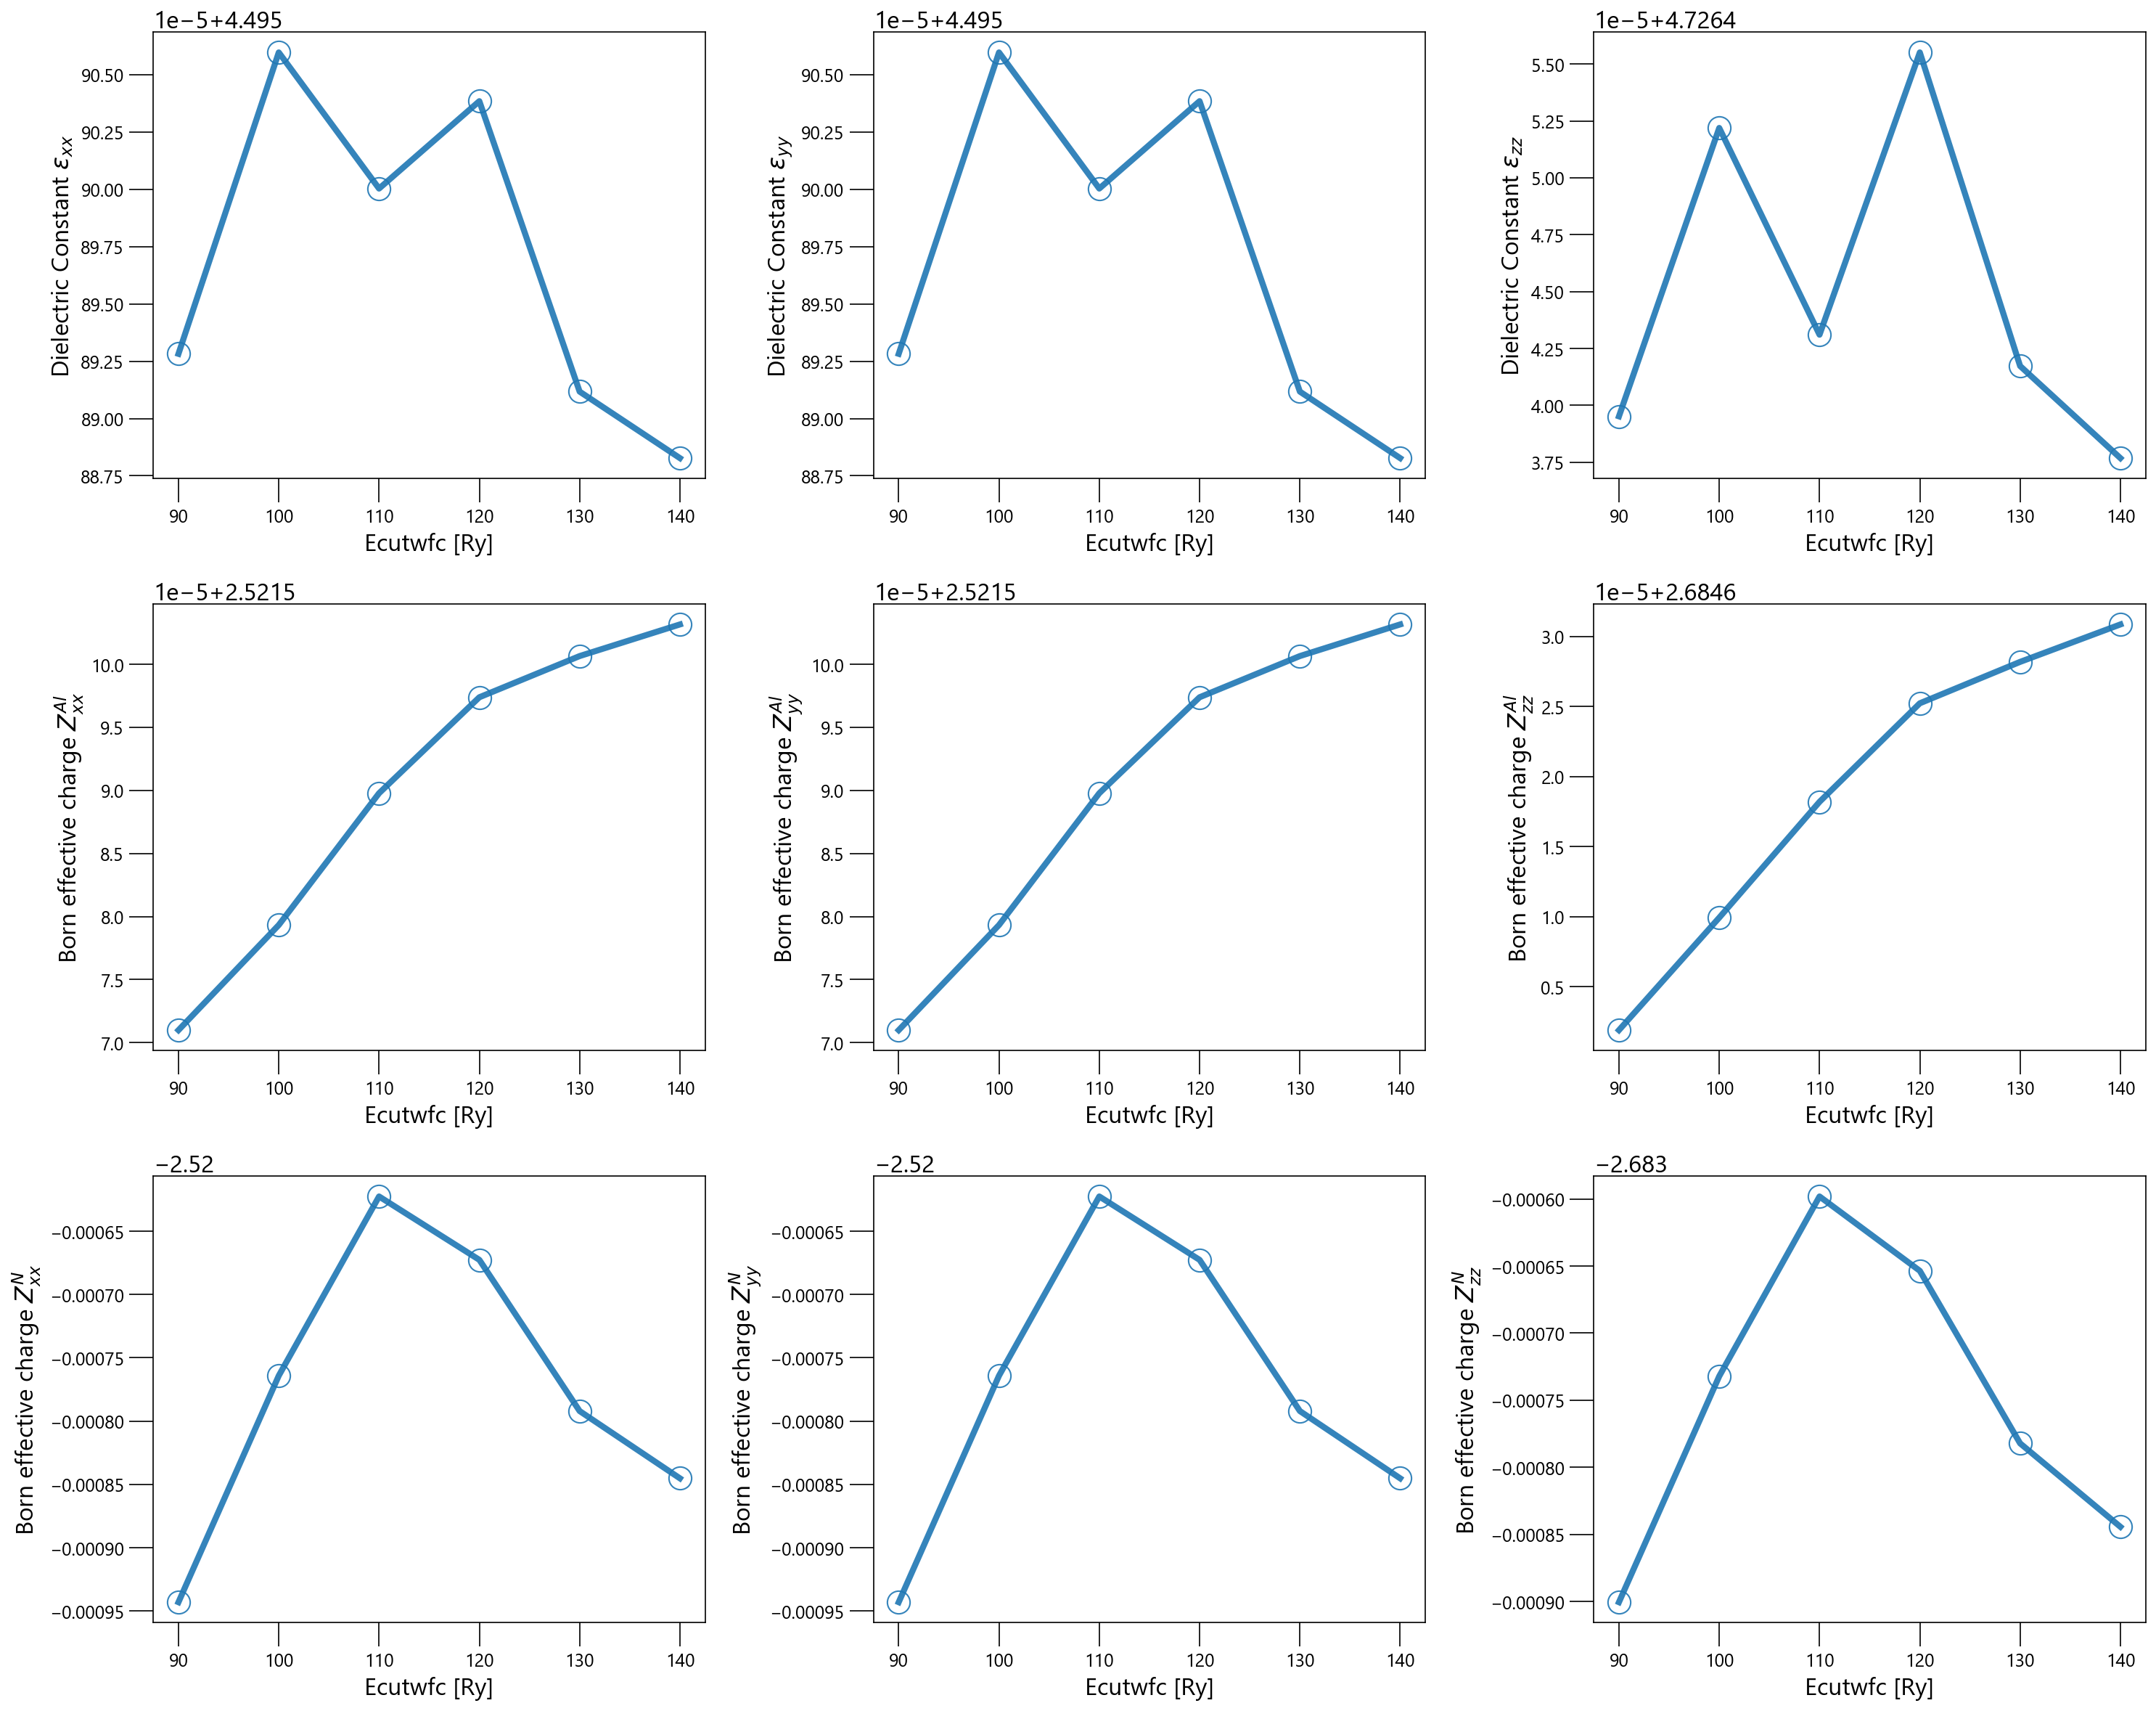 | ecutrho | 8*ecutwfc Ry
 |  |  |  | kpoints | (12, 12, 8)
 |  |  |  | conv_thr | 1e-11 Ry
 |  |  |  | including Γ | yes

 |  |  | ecutrho
 |  |  | Change ecutrho (qe energy cutoff for electron density) | Calculation Condition
 |  |  | 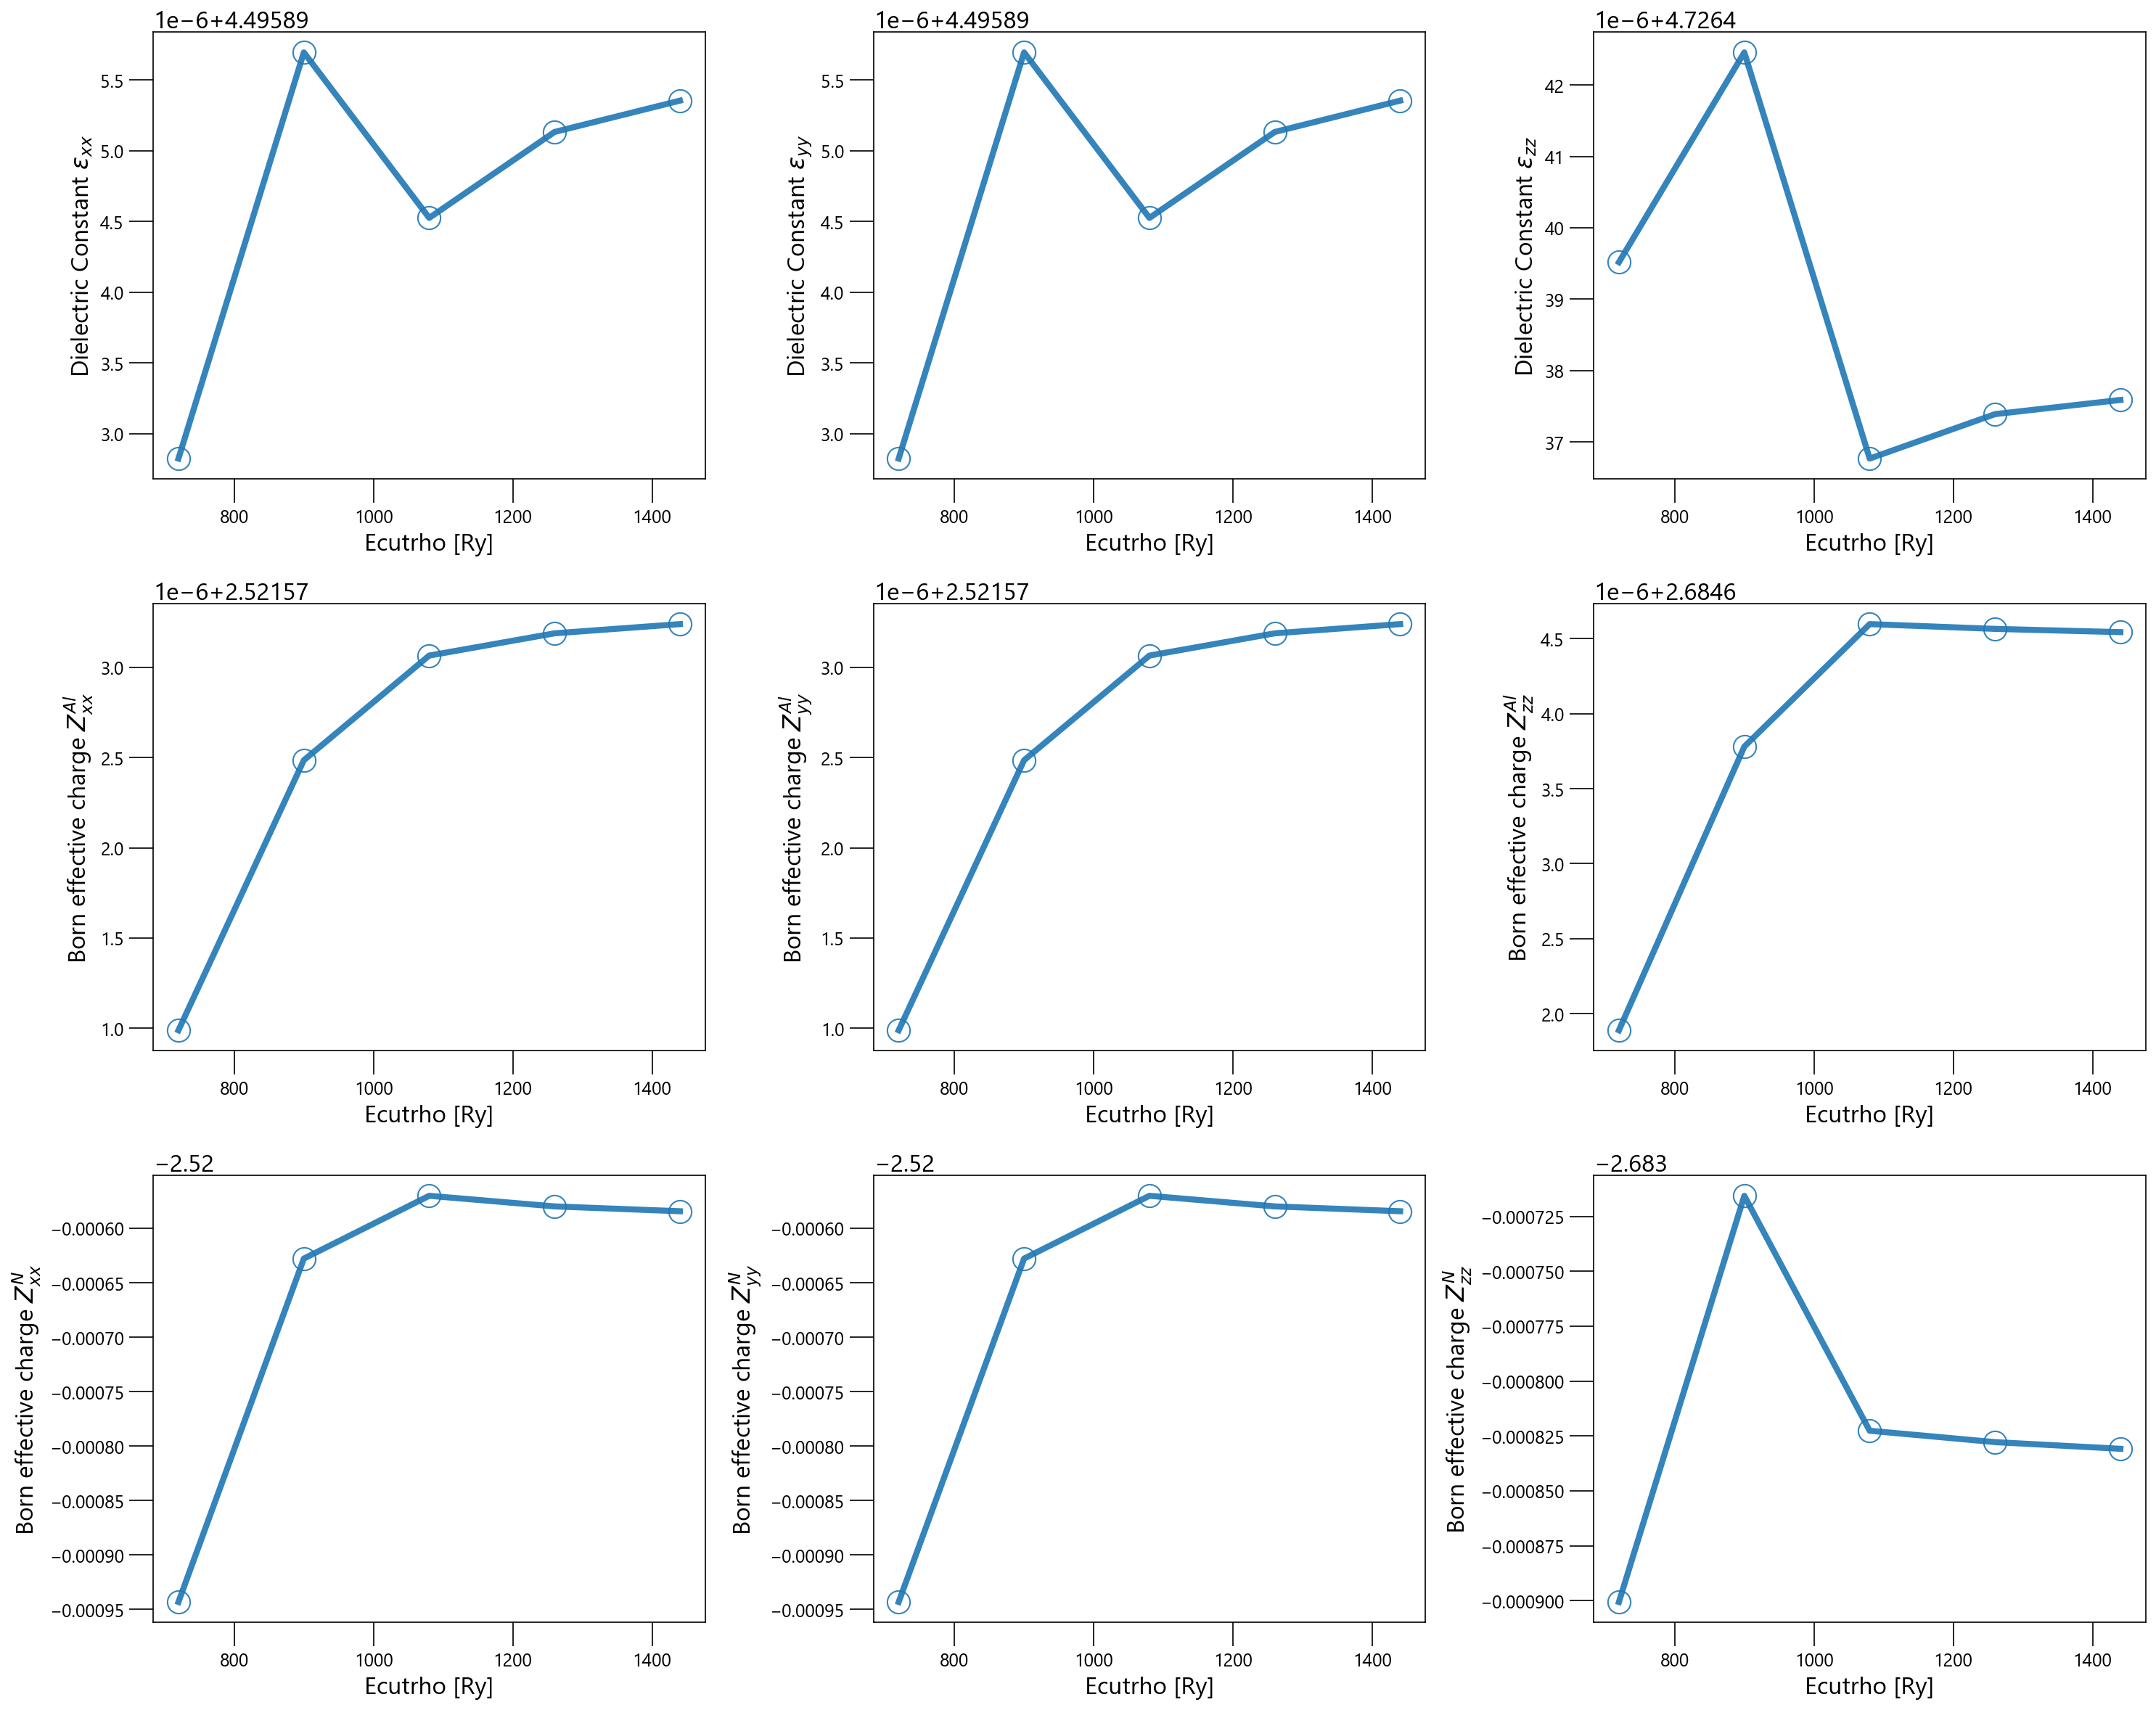 | ecutwfc | 90 Ry
 |  |  |  | kpoints | (12, 12, 8)
 |  |  |  | conv_thr | 1e-11 Ry
 |  |  |  | including Γ | yes

 |  |  | kpoints
 |  |  | Change kpoints integration mesh: (k, k, CEIL(k*3/5)) | Calculation Condition
 |  |  | 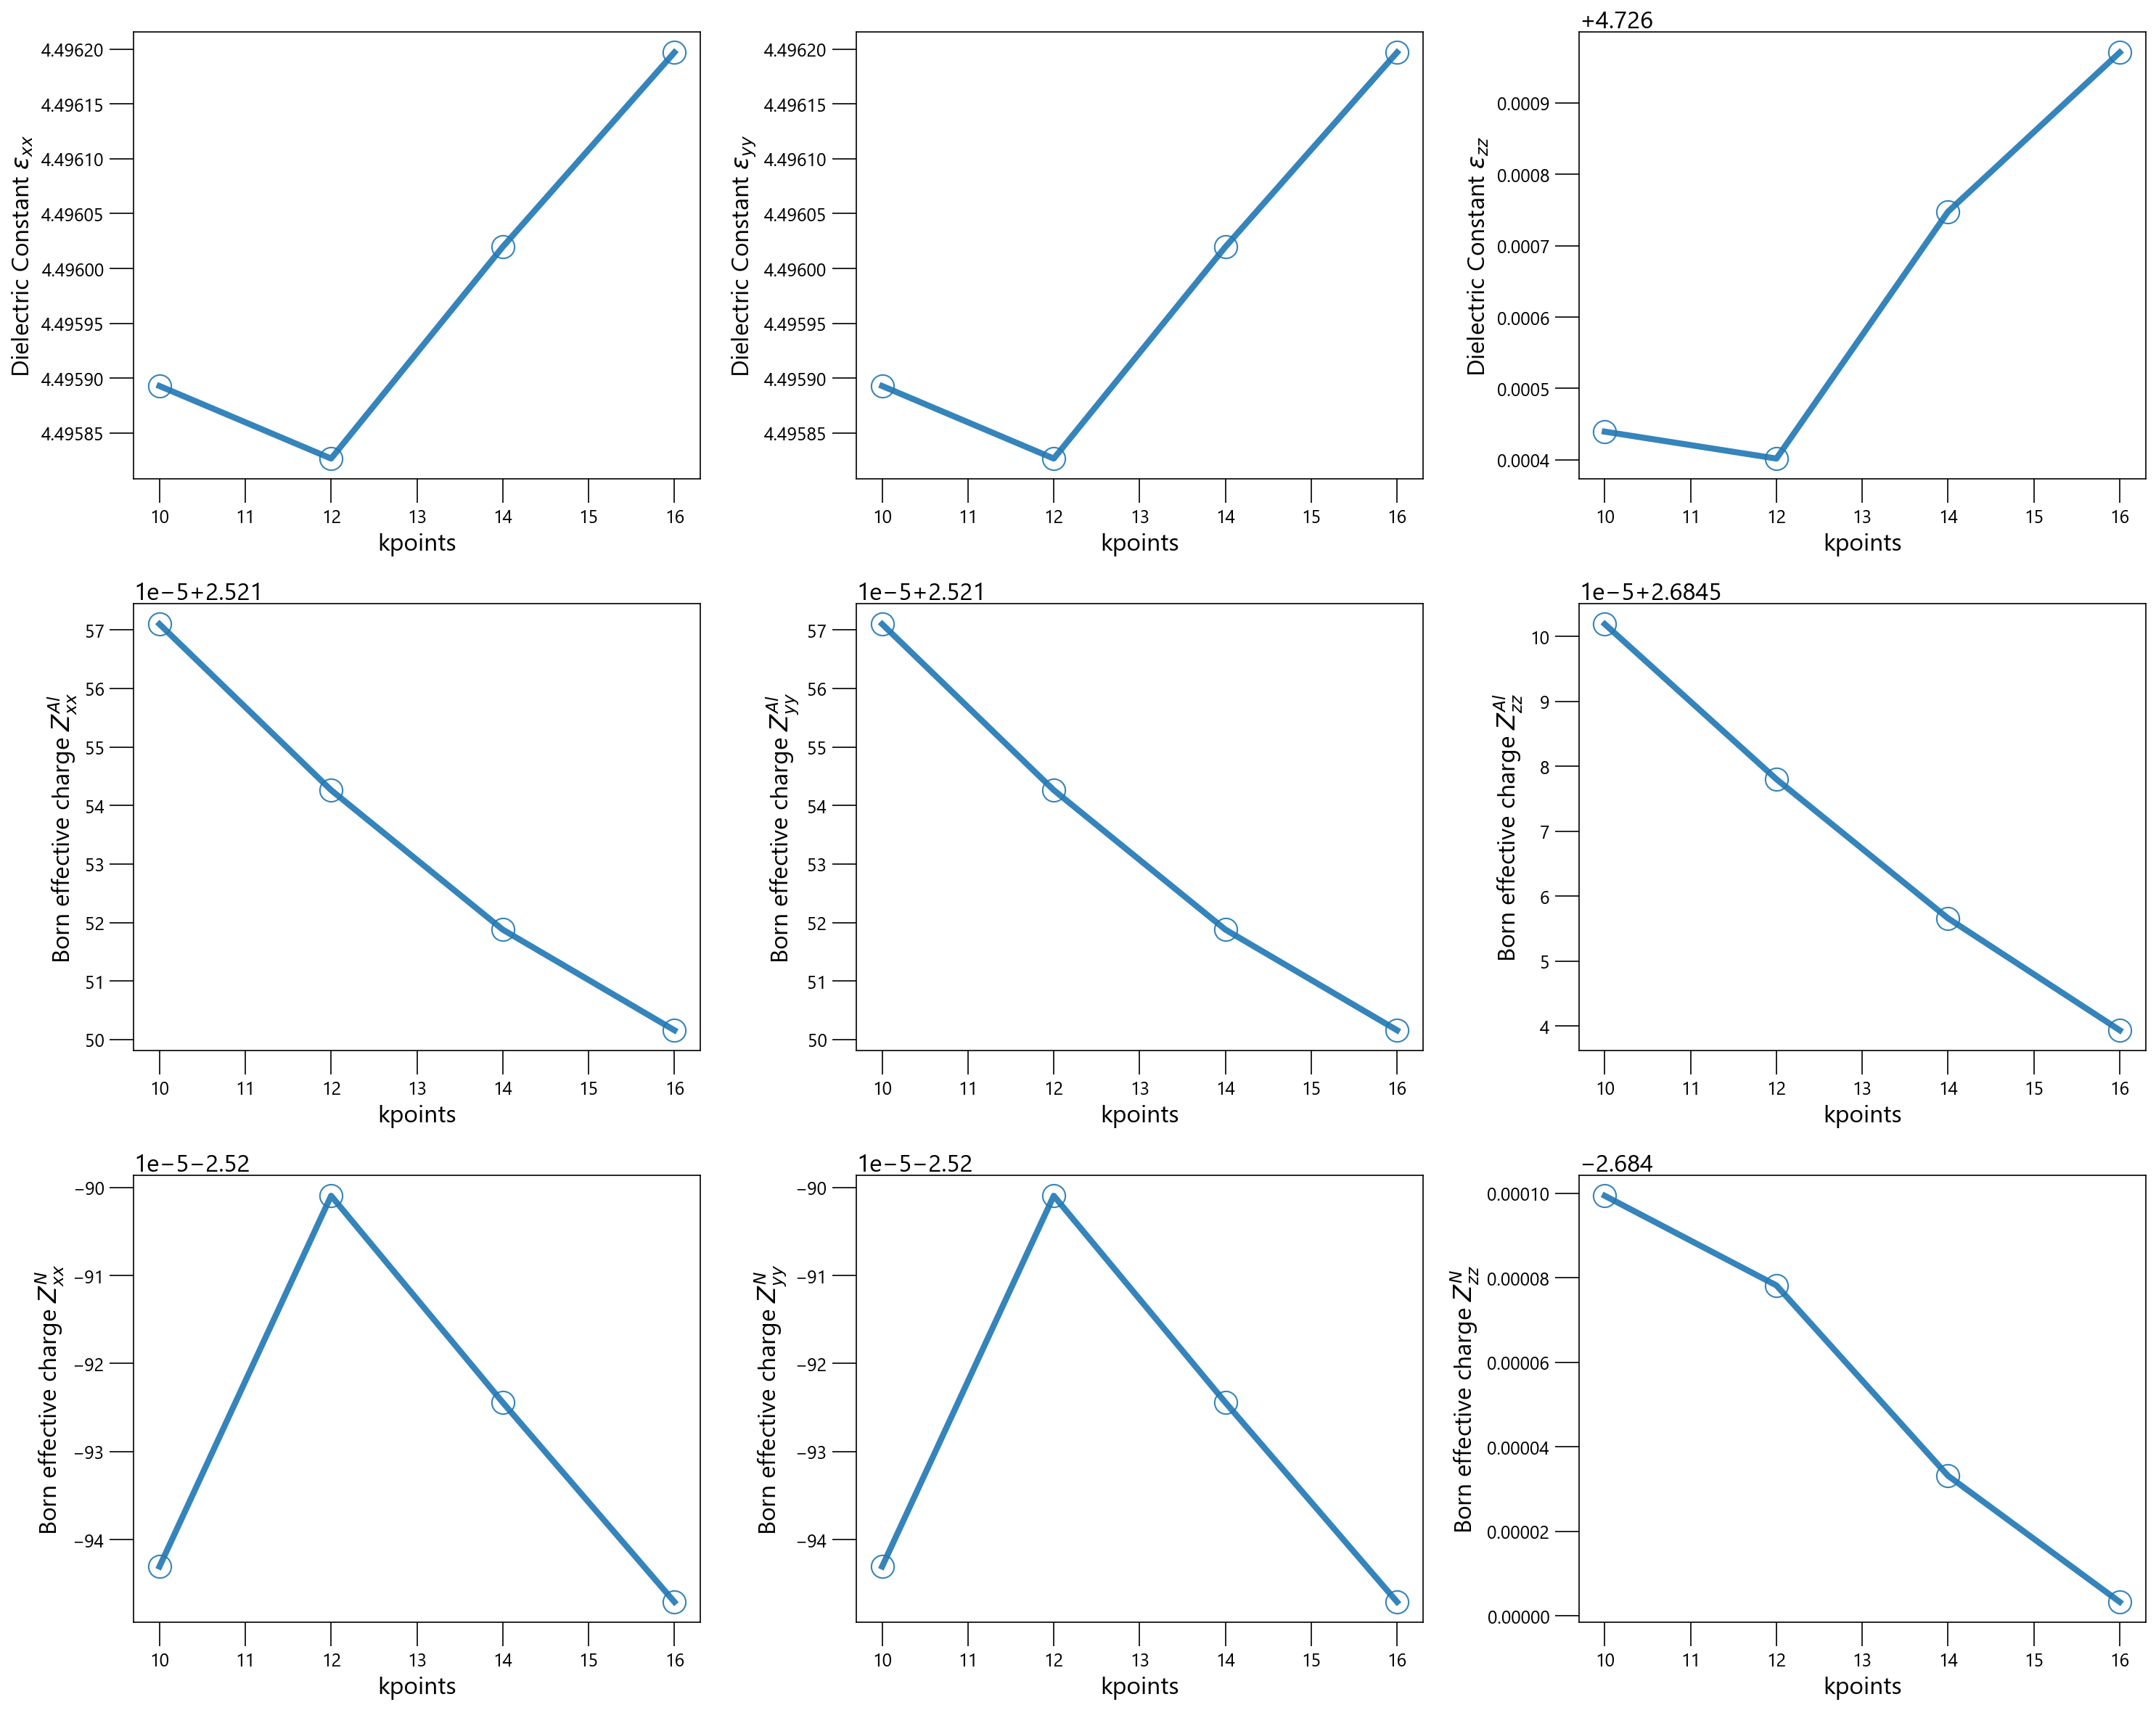 | ecutwfc | 90 Ry
 |  |  |  | ecutrho | 720 Ry
 |  |  |  | conv_thr | 1e-11 Ry
 |  |  |  | including Γ | yes

Harmonic
Phonon Dispersion | Test calculation to get stable dispersion | Calculation Condition
 | 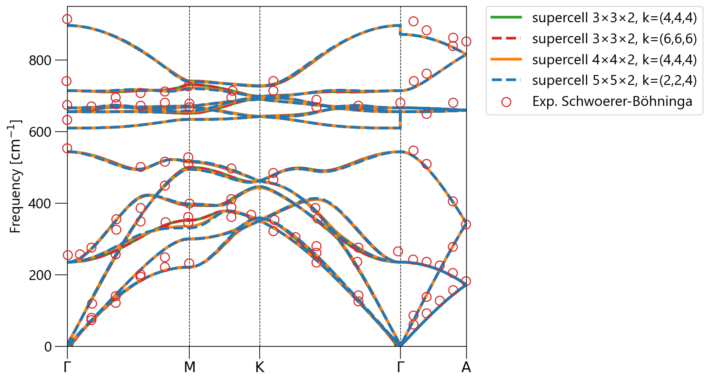 | ecutwfc | 90 Ry
 |  | ecutrho | 720 Ry
 |  | conv_thr | 1e-10 Ry
 |  | including Γ | yes

Near Γ point (Γ→M)
Near Γ point (K→Γ→A)
 | 